Main
All members need to discuss and analyse data and find out:
The category with the highest expense amount
Total expense amount against entertainment and shopping
Number of times Nitin has ordered food online and the amount spent for it
Number of times Nitin has watched a movie
The less essential category that Nitin may remove to increase his savings
The group members need to copy the tables and charts along with the findings to a ppt or a document for presentation.
Expense Details for the month of June
Date | Category | Items | Expense (INR)
2021-06-02 | Grocery | Foodgrains and cereals | 1,050
2021-06-02 | Grocery | Oil and spices | 550
2021-06-02 | Entertainment | Movie | 250
2021-06-03 | Food | Online Food Order | 150
2021-06-03 | Doctor and Medicine | Mother's Medicine | 450
2021-06-04 | Ticket and Bills | Railway monthly ticket | 350
2021-06-06 | Grocery | Vegetables | 450
2021-06-06 | Grocery | Fruit | 150
2021-06-08 | Food | Chips and Fries | 100
2021-06-09 | Grocery | Bread and bakery | 100
2021-06-10 | Shopping | Shoes | 1000
2021-06-11 | Grocery | Vegetables | 250
2021-06-12 | Food | Online Food Order | 100
2021-06-12 | Entertainment | Movie | 250
2021-06-13 | Grocery | Beverages | 250
2021-06-13 | Ticket and Bills | House help | 1000
2021-06-14 | Ticket and Bills | Electricity bill | 370
2021-06-15 | Ticket and Bills | Gas | 850
2021-06-15 | Grocery | Fruit | 200
2021-06-16 | Grocery | Vegetables | 470
2021-06-19 | Miscellaneous | Sister's birthday gift | 500
2021-06-19 | Grocery | Bread and bakery | 200 | Group Task
2021-06-20 | Food | Chips and Fries | 150
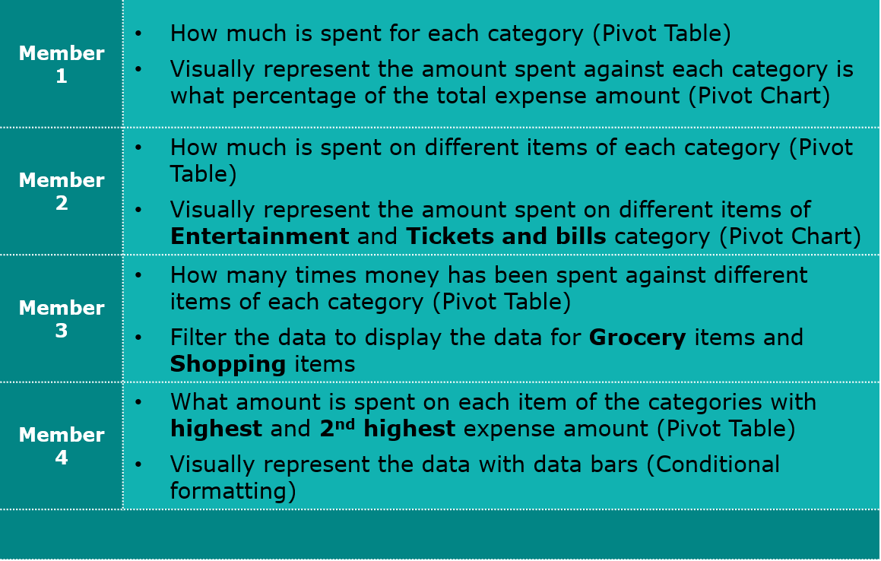
2021-06-22 | Food | Online Food Order | 150
2021-06-23 | Entertainment | Movie | 250
2021-06-24 | Grocery | Vegetables | 250
2021-06-25 | Shopping | Tshirt and Jeans | 2500
2021-06-26 | Grocery | Fruit | 200
2021-06-26 | Grocery | Bread and bakery | 200
2021-06-27 | Entertainment | Movie | 250
2021-06-28 | Food | Online Food Order | 200
2021-06-29 | Grocery | Fruit | 100
2021-06-29 | Grocery | Vegetables | 270

 |  | Total= | 13,560

Action Items 1
Total
How much is spent for each category (Pivot Table)
Visually represent the amount spent against each category is what percentage of the total expense amount (Pivot Chart)
Row Labels | Sum of Expense (INR)
Doctor and Medicine | 450
Entertainment | 1000
Food | 850
Grocery | 4690
Miscellaneous | 500
Shopping | 3500
Ticket and Bills | 2570
Grand Total | 13560

Action Items 2
How much is spent on different items of each category

Row Labels | Sum of Expense (INR)
Entertainment | 1000 | Visually represent the amount spent on different items of Entertainment and Tickets and bills category
Movie | 1000
Ticket and Bills | 2570
Electricity bill | 370
Gas | 850
House help | 1000
Railway monthly ticket | 350
Grand Total | 3570

